Sheet1
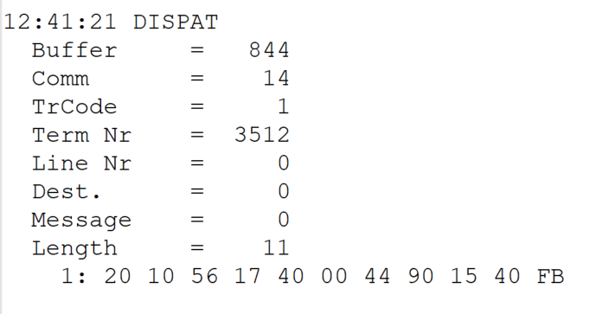
 |  |  |  |  | HEXA | BIN | DEC
TestByte |  | Size | Field Contents
Start | End
1 | 1 | 1 | Control | Sequence | 20 | Control=0010 Sequence=0000 | 2 0 | Control -> x10 - Application Message Sequence -> 0
2 | 2 | 1 | Type = 1 | Subtype = see below | 10 | Type=0001 Subtype=0000 | Type=1 Subtype=0 | Type = 1 Subtype = 0
3 | 4 | 2 | Checksum |  | 56 17
5 | 5 | 1 | Statistics (see below) |  | 40 | …....... | …....... | x40 = Reader Entry
6 | 7 | 2 | Wager Julian Date |  | 00 44 |  | 68 | 31+28+9=068
8 | 10 | 3 | Wager Serial Number |  | 90 15 40 |  | 9442624 | 09442624
11 | 11 | 1 | Wager Check Digits |  | FB |  | 251 | 251
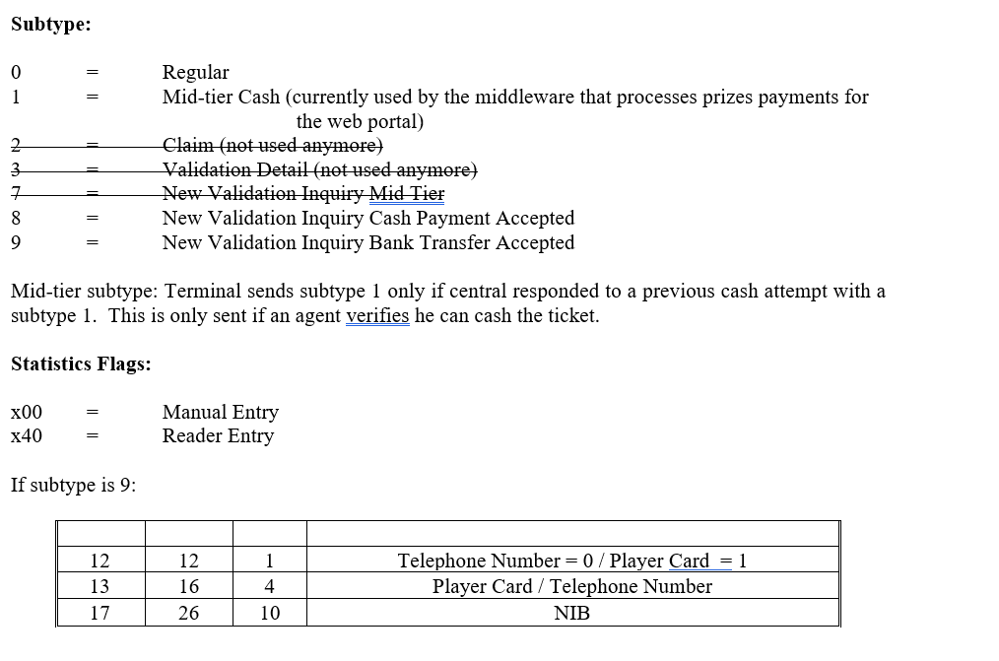

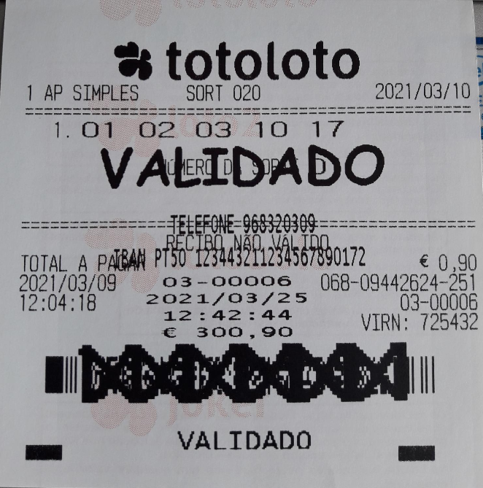

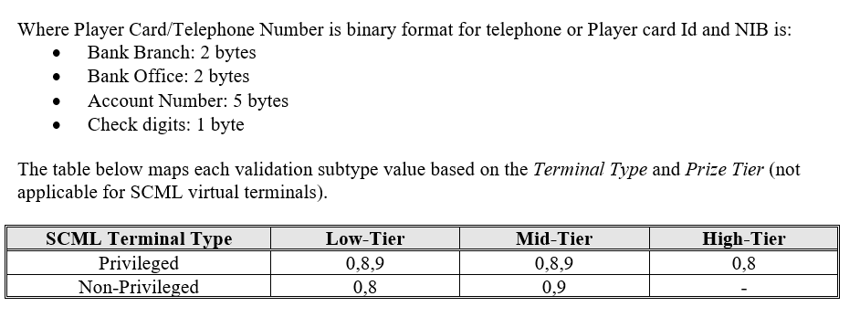

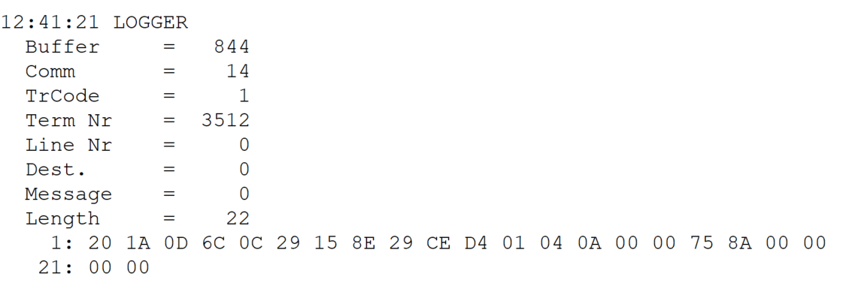
TestByte |  | Size | Field Contents
Start | End
1 | 1 | 1 | Control | Sequence | 20 | Control=0010 Sequence=0000 | 2 0 | Control -> x10 - Application Message Sequence -> 0
2 | 2 | 1 | Type = 1 | Subtype = see below | 1A | Type=0001 Subtype=1010 | Type=1 Subtype=10 | Type = 1 Subtype = 10 10 = New Validation Inquiry Bank Transfer Only
3 | 4 | 2 | Checksum |  | 0D 6C
5 | 7 | 3 | Time |  | 0C 29 15 |  | 12:41:21 | 12:41:21
8 | 10 | 3 | Validation Serial Number |  | 8E 29 CE |  | 9316814 | 9316814
11 | 11 | 1 | Validation Check Digits |  | D4 |  | 212 | 212
12 | 12 | 1 | Game Type |  | 01 |  | 1 | LOTT - Totoloto
13 | 13 | 1 | Game Index |  | 04 |  | 4 | Quarta
14 | 14 | 1 | Validation Status |  | 0A |  | 10 | 10 = No Exchange Ticket
15 | 18 | 4 | Cash Amount (Validation Units) |  | 00 00 75 8A |  | 30090 | 30090 Cent = 300,90 Euros
19 | 22 | 4 | Refund Amount (Validation Units) |  | 00 00 00 00 |  | 0 | 0

